State wise Report
 | SATE/ UT
85.5 | 19
40 | 27
93 | 67
87 | 60
65 | 57
50 | 43
35 | 74
36 | 67
26 | 28
18 | 50
32 | 69
37 | 77
30 | 85
62 | 51
30 | 25
34.5 | 13
40 | 83
40 | 50
30 | 40
80 | 57
89 | 55
86 | 50
60 | 43
44 | 18
30 | 74
25 | 60
40 | 15
40 | 35
82.5 | 52
50 | 60
43 | 72
70 | 50
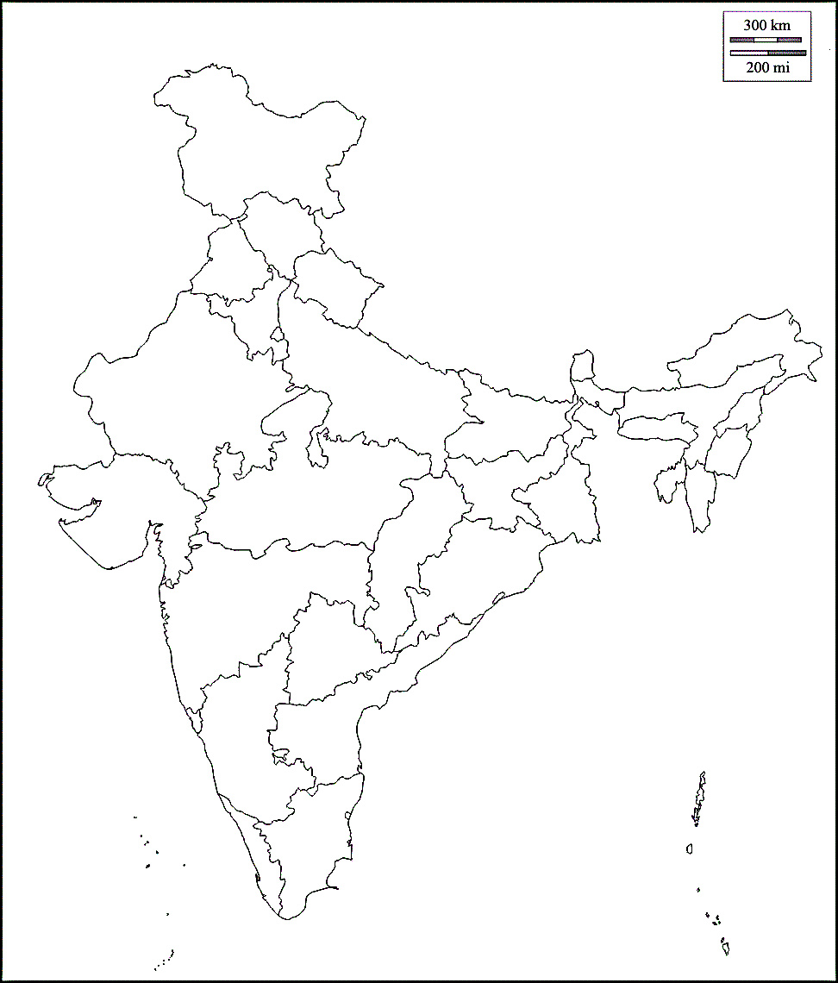

SATE/ UT | Confirmed | Active Cases | Reovered | Deaths | X | Y | SATE/ UT | Active Cases
ANDAMAN AND NICOBAR ISLANDS | 28 | 17 | 11 | 0 | 85.5 | 19 | ANDAMAN AND NICOBAR ISLANDS | 17
ANDHRA PRADESH | 957 | 813 | 120 | 24 | 40 | 27 | ANDHRA PRADESH | 813
ARUNACHAL PRADESH | 2 | 1 | 1 | 0 | 93 | 67 | ARUNACHAL PRADESH | 1
ASSAM | 55 | 35 | 19 | 1 | 87 | 60 | ASSAM | 35
BIHAR | 174 | 126 | 46 | 2 | 65 | 57 | BIHAR | 126
CHATTISGARH | 41 | 27 | 14 | 0 | 50 | 43 | CHATTISGARH | 27
CHANDIGARH | 62 | 36 | 26 | 0 | 35 | 74 | CHANDIGARH | 36
DELHI | 2814 | 2156 | 611 | 47 | 36 | 67 | DELHI | 2156
GOA | 14 | 7 | 7 | 0 | 26 | 28 | GOA | 7
GUJRAT | 2511 | 2272 | 144 | 95 | 18 | 50 | GUJRAT | 2272
HARYANA | 384 | 254 | 127 | 3 | 32 | 69 | HARYANA | 254
HIMACHAL PRADESH | 56 | 39 | 16 | 1 | 37 | 77 | HIMACHAL PRADESH | 39
JAMMU AND KASHMIR | 466 | 380 | 81 | 5 | 30 | 85 | JAMMU AND KASHMIR | 380
JHARKHAND | 48 | 45 | 0 | 3 | 62 | 51 | JHARKHAND | 45
KARNATAKA | 571 | 425 | 129 | 17 | 30 | 25 | KARNATAKA | 425
KERALA | 753 | 427 | 323 | 3 | 34.5 | 13 | KERALA | 427
LADAKH | 32 | 18 | 14 | 0 | 40 | 83 | LADAKH | 18
MADHYA PRADESH | 1820 | 1592 | 148 | 80 | 40 | 50 | MADHYA PRADESH | 1592
MAHARASHTRA | 6194 | 5221 | 722 | 251 | 30 | 40 | MAHARASHTRA | 5221
MEGHALAYA | 4 | 2 | 2 | 0 | 80 | 57 | MEGHALAYA | 2
MANIPUR | 13 | 12 | 0 | 1 | 89 | 55 | MANIPUR | 12
MIZORAM | 1 | 1 | 0 | 0 | 86 | 50 | MIZORAM | 1
ODISA | 113 | 82 | 30 | 1 | 60 | 43 | ODISA | 82
PUDUCHERY | 10 | 7 | 3 | 0 | 44 | 18 | PUDUCHERY | 7
PUNJAB | 316 | 251 | 49 | 16 | 30 | 74 | PUNJAB | 251
RAJSHTAN | 2056 | 1801 | 230 | 25 | 25 | 60 | RAJSHTAN | 1801
TAMIL NADU | 2249 | 1596 | 635 | 18 | 40 | 15 | TAMIL NADU | 1596
TELANGANA | 1162 | 945 | 194 | 23 | 40 | 35 | TELANGANA | 945
TRIPURA | 3 | 2 | 1 | 0 | 82.5 | 52 | TRIPURA | 2
UTTAR PRADESH | 65 | 46 | 19 | 0 | 50 | 60 | UTTAR PRADESH | 46
UTTARA KHAND | 1598 | 1412 | 165 | 21 | 43 | 72 | UTTARA KHAND | 1412
WEST BENGAL | 511 | 423 | 73 | 15 | 70 | 50 | WEST BENGAL | 423

Total | 25083 | 20471 | 3960 | 652

Growth in India
Main article: Timeline of the 2020 coronavirus pandemic in India | 1
COVID-19 cases in India ( | 2
00-01-00 | 3
v | 5
t | 6
e | 28
00-01-00 | 30
) | 31
Deaths Recoveries Active cases | 34
00-01-00 | 39
Jan Jan Feb Feb Mar Mar Apr Apr Last 15 days Last 15 days | 44
00-01-00 | 50
Date | 60
30-01-20 | 74
⋮ | 81
02-02-20 | 84
03-02-20 | 110
⋮ | 114
02-03-20 | 137
00-01-00 | 151
03-03-20 | 173
00-01-00 | 223
04-03-20 | 315
00-01-00 | 360
05-03-20 | 468
00-01-00 | 519
06-03-20 | 606
00-01-00 | 694
07-03-20 | 834
00-01-00 | 918
08-03-20 | 1024
00-01-00 | 1251
09-03-20 | 1397
00-01-00 | 1834
10-03-20 | 2069
00-01-00 | 2547
11-03-20 | 3072
00-01-00 | 3577
12-03-20 | 4281
00-01-00 | 4789
00-01-00 | 5274
13-03-20 | 5865
00-01-00 | 6761
00-01-00 | 7529
14-03-20 | 8447
00-01-00 | 9152
Date
Date | # of cases
Main article: Timeline of the 2020 coronavirus pandemic in India | 0 |  | 1
COVID-19 cases in India ( | 0 | (+100%) | 2 | (+1)
0 | 0 | (+50%) | 3 | +1)
v | 0 | (+67%) | 5 | +2)
t | 0 | (+20%) | 6 | +1)
e | 0 | (+367%) | 28 | +22)
0 | 0 | (+7%) | 30 | +2)
) | 0 | (+3%) | 31 | +1)
Deaths Recoveries Active cases | 0 | (+10%) | 34 | +3)
0 | 0 | (+15%) | 39 | +5)
Jan Jan Feb Feb Mar Mar Apr Apr Last 15 days Last 15 days | 0 | (+13%) | 44 | +5)
0 | 0 | (+14%) | 50 | +6)
Date | # of cases | (+20%) | 60 | +10)
2020-01-30 | 1(n.a.) | (+23%) | 74 | +14)
⋮ | 1(=) | (+9%) | 81 | +7)
2020-02-02 | 2(+100%) | (+4%) | 84 | +3)
2020-02-03 | 3(+50%) | (+31%) | 110 | +26)
⋮ | 3(=) | (+4%) | 114 | +4)
2020-03-02 | 5(+67%) | (+20%) | 137 | +23)
0 | 0 | (+10%) | 151 | +14)
2020-03-03 | 6(+20%) | (+15%) | 173 | +22)
0 | 0 | (+29%) | 223 | +50)
2020-03-04 | 28(+367%) | (+41%) | 315 | +92)
0 | 0 | (+14%) | 360 | +45)
2020-03-05 | 30(+7%) | (+30%) | 468 | +108)
0 | 0 | (+11%) | 519 | +51)
2020-03-06 | 31(+3%) | (+17%) | 606 | +87)
0 | 0 | (+15%) | 694 | +88)
2020-03-07 | 34(+10%) | (+20%) | 834 | +140)
0 | 0 | (+10%) | 918 | +84)
2020-03-08 | 39(+15%) | (+12%) | 1,024 | +106)
0 | 0 | (+22%) | 1,251 | +227)
2020-03-09 | 44(+13%) | (+12%) | 1,397 | +146)
0 | 0 | (+31%) | 1,834 | +437)
2020-03-10 | 50(+14%) | (+13%) | 2,069 | +235)
0 | 0 | (+23%) | 2,547 | +478)
2020-03-11 | 60(+20%) | (+21%) | 3,072 | +525)
0 | 0 | (+16%) | 3,577 | +505)
2020-03-12 | 74(+23%) | (+20%) | 4,281 | +704)
0 | 0 | (+12%) | 4,789 | +508)
0 | 0 | (+10%) | 5,274 | +485)
2020-03-13 | 81(+9%) | (+11%) | 5,865 | +591)
0 | 0 | (+15%) | 6,761 | +896)
0 | 0 | (+11%) | 7,529 | +768)
2020-03-14 | 84(+4%) | (+12%) | 8,447 | +918)
0 | 0 | (+8%) | 9,152 | +705)

